NRCC Headers
 | User input | auto calculated | From another Table |  | From look up table

Heading First & Last Pages
STATE OF CALIFORNIA
Indoor Lighting
NRCC-LTI-E (Created XX/XX) |  |  |  | CALIFORNIA ENERGY COMMISSION
CERTIFICATE OF COMPLIANCE |  |  |  |  | NRCC-LTI-E
This document is used to demonstrate compliance with requirements in §110.9, §110.12(c), §130.0, §130.1, §140.6, and §141.0(b)2 for indoor lighting scopes using the prescriptive path for nonresidential and hotel/motel occupancies. It is also used to document compliance with requirements in §160.5, §170.2(e) and §180.2(b)4 for indoor lighting scopes using the prescriptive path for multifamily occupancies. Multifamily includes dormitory and senior living facilities.
Project Name: |  |  |  | Report Page: | Page 1 of ??
Project Address: |  |  |  | Date Prepared:

Heading All Other Pages
STATE OF CALIFORNIA
Indoor Lighting
NRCC-LTI-E (Created XX/XX) |  |  |  | CALIFORNIA ENERGY COMMISSION
CERTIFICATE OF COMPLIANCE |  |  |  |  | NRCC-LTI-E
Project Name: |  |  |  | Report Page: | Page 2 of ??
Project Address: |  |  |  | Date Prepared:

LMCC Headers
 | User input | auto calculated | From another Table |  | From look up table

Heading First & Last Pages
STATE OF CALIFORNIA
Indoor Lighting
LMCC-LTI-01-E |  |  |  | CALIFORNIA ENERGY COMMISSION
CERTIFICATE OF COMPLIANCE |  |  |  |  | LMCC-LTI-01-E
This document is used to demonstrate compliance with requirements in §110.9, §110.12(c), §130.0, §130.1, §140.6, and §141.0(b)2 for indoor lighting scopes using the prescriptive path for nonresidential and hotel/motel occupancies in low-rise multifamily mixed-use buildings. It is also used to document compliance with requirements in §160.5, §170.2(e) and §180.2(b)4 for indoor lighting scopes using the prescriptive path for multifamily occupancies. Multifamily includes dormitory and senior living facilities.
Project Name: |  |  |  | Report Page: | Page 1 of ??
Project Address: |  |  |  | Date Prepared:

Heading All Other Pages
STATE OF CALIFORNIA
Indoor Lighting
LMCC-LTI-01-E |  |  |  | CALIFORNIA ENERGY COMMISSION
CERTIFICATE OF COMPLIANCE |  |  |  |  | LMCC-LTI-01-E
Project Name: |  |  |  | Report Page: | Page 2 of ??
Project Address: |  |  |  | Date Prepared:

NRCC Footers
 | User input | auto calculated |  | From another Table |  | From look up table

Footer for every page:
Footer All Pages
Registration Number: |  |  | Registration Date/Time: |  | Registration Provider:
 |  |  | Report Version: |  | Compliance ID:
 |  |  | Schema Version: |  | Report Generated:
CA Building Energy Efficiency Standards - 2025 Nonresidential Compliance

B. Project Scope
 | User input | auto calculated |  | From another Table |  | From look up table

B. PROJECT SCOPE
This table includes any lighting systems that are within the scope of the permit application and are demonstrating compliance using the prescriptive path outlined in §140.6/§170.2(e) or §141.0(b)2/§180.2(b)4 for alterations.
Scope of Work |  |  | Conditioned Spaces |  | Unconditioned Spaces
01 |  |  | 02 | 03 | 04 | 05
My Project Consists of (check all that apply): |  |  | Calculation Method | Area (ft²) | Calculation Method | Area (ft²)
 | New Lighting System
 | New Lighting System- Parking Garage |  | only dropdown choice is "Complete Building" |  | only dropdown choice is "Complete Building"
Add Parking Garage- Complete Bldg Method
Remove Parking Garage
 | Altered Lighting System
 | Altered Lighting System - Parking Garage |  | Complete Building Or One-For One Alteration |  | Complete Building or One-For-One Alteration
Add Altered Lighting System
Remove Last Altered System
Total Area of Work (ft2) |  |  | 0 |  | 0
ALERT! The One-for-One Luminaire Alteration Rated Power Reduction Method for alterations may only be used for one-for-one luminaire alterations within a building or tenant space of 5,000 ft2 or less per §141.0(b)2Iiii/§180.2(b)4.

 |  |  | Calculation Method |  | Calculation Method
 |  |  | Complete Building | <<< | Complete Building | <<< Triggers Table F, Table H, and Table I
 |  |  | Area Category | <<< | Area Category | <<< Triggers Table F, Table H, and Table I
 |  |  | Tailored | <<< | Tailored | <<< Triggers Table F, Table H, and Table K
 |  |  | Area Category + Tailored | <<< | Area Category + Tailored | <<< Triggers Table F, Table H, Table I, and Table K
 |  | only shows up for alterations >> | Rated Power Reduction One for One Alteration | <<< | Rated Power Reduction One for One Alteration | <<< Triggers Table Q

F. Lighting Schedule
 | User input |  | auto calculated |  |  | From another Table |  |  | From look up table

F. INDOOR LIGHTING FIXTURE SCHEDULE
This table includes all planned permanent and portable lighting other than dwelling unit/ hotel/ motel room lighting. Multifamily dwelling unit and hotel/motel room lighting is documented in Table T. If using Table T to document lighting in multifamily common use areas providing shared provisions for living, eating, cooking or sanitation, those luminaires are not included here.
Designed Wattage: Conditioned Spaces |  |  |  |  |  |  |  |  |  |  | NA8 Default
01 | 02 | 03 | 04 | 05 | 06 | 07 | 08 | 09 | 10
Name or Item Tag | Complete Luminaire Description | Modular (Track) Fixture | Small Aperture & Color Change1 | Watts per luminaire2 | How Wattage is Determined | Total Number Luminaires | Excluded per §140.6(a)3/ §170.2(e)2C | Design Watts | Field Inspector |  | Mfr. Spec¹
 |  |  |  |  |  |  |  |  | Pass | Fail | Other
 |  | ¨ | dropdown |  | Dropdown |  | ¨ | 0 | ¨ | ¨
Total Designed Watts CONDITIONED SPACES: |  |  |  |  |  |  |  | 0
Add Row
Remove Last
Designed Wattage: Unconditioned Spaces
01 | 02 | 03 | 04 | 05 | 06 | 07 | 08 | 09 | 10
Name or Item Tag | Complete Luminaire Description | Modular (Track) Fixture | Small Aperture & Color Change1 | Watts per luminaire2 | How Wattage is Determined | Total Number Luminaires | Excluded per §140.6(a)3/ §170.2(e)2C | Design Watts | Field Inspector
 |  |  |  |  |  |  |  |  | Pass | Fail
 |  | ¨ | dropdown |  | dropdown |  | ¨ | 0 | ¨ | ¨
Total Designed Watts UNCONDITIONED SPACES: |  |  |  |  |  |  |  | 0
Add Row
Remove Last
¹ FOOTNOTE: Design Watts for small aperture and color changing luminaires which qualify per §140.6(a)4B/§170.2(e)2D is adjusted to be 75%/80% of their rated wattage. Table F automatically makes this adjustment, the permit applicant should enter full rated wattage in column 05.
2 Authority Having Jurisdiction may ask for Luminaire cut sheets to confirm wattage used for compliance per §130.0(c)/§160.5(b). Wattage used must be the maximum rated for the luminaire, not the lamp.
 |  |  |  |  | How Wattage is Determined
 |  |  |  |  | IF column03 = Track: column06 = "See Table G" ELSE: column06 = enum("NA8 Default", Mfr. Spec¹, Other)

 |  |  | Sm. Aperature Dropdown |  | Wattage Dropdown
 |  |  | Used in Nonres Occupancy |  | NA8 Default
 |  |  | Used in multifamily occupancy |  | Mfr Spec1
 |  |  | NA |  | Other

H. Lighting Control
 | User input |  |  | auto calculated |  | From another Table |  |  | From look up table

H. INDOOR LIGHTING CONTROLS (Not Including PAFs)
This table includes lighting controls for conditioned and unconditioned spaces. When a control having a * is shown, the notes section of this table provides more detail on how compliance is achieved. The lighting controls section of the Compliance Summary Table on the first page will show "DOES NOT COMPLY" if the notes are left blank. |  |  | Building Level Controls
 |  |  | 01 |  |  |  |  | 02 |  |  |  |  | 03
 |  |  | Mandatory Demand Response |  |  |  |  | Shut-off Controls |  |  |  |  | Field Inspector
 |  |  | §110.12(c) |  |  |  |  | §130.1(c)/§160.5(b)4C |  |  |  |  | Pass | Fail
 |  |  | See dropdown |  |  |  |  | See Dropdown |  |  |  |  | ¨ | ¨
Area Level Controls
04 | 05 | 06 |  |  | 07 |  | 08 |  |  | 09 | 10 | 11 | 12
Area Description | Complete Building or Area Category Primary Function Area | Manual Area Controls §130.1(a)/§160.5(b)4A |  |  | Multi-Level Controls §130.1(b)/§160.5(b)4B |  | Shut-Off Controls §130.1(c)/§160.5(b)4C |  |  | Primary/Skylit Daylighting | Secondary Daylighting | Interlocked Systems | Field Inspector

 |  |  |  |  |  |  |  |  |  | §130.1(d)/§160.5(b)4D | §130.1(d)/§160.5(b)4D | §140.6(a)1/§170.2(e)2A | Pass | Fail
 | This dropdown will customize based on whether complete building or area category is chosen in Table B (same as Table I column 02) | See Dropdown |  |  | See dropdown |  | See dropdown |  |  | See dropdown | See dropdown | ¨ | ¨ | ¨
 |  |  |  |  |  |  |  |  |  | 13
 |  |  |  |  |  |  |  |  |  | Plan Sheet Showing Daylit Zones:

Reset
Add Row
Remove Last

If the user does not select any * control but does complete at least 1 line on this table, Controls Compliance in Table C. should say "COMPLIES"
 |  |  | 01 Demand Response Dropdown |  |  |  |  | 02 Shut-Off Controls (at Bldg)
 |  |  | Required: >= 4,000W subject to multilevel |  |  |  |  | Whole Building Timeswitch
 |  |  | Required: Using as PAF (Table P) |  |  |  |  | Whole Building EMCS
 |  |  | NA: <4,000W subject to multilevel |  |  |  |  | See Area/ Space Level Controls (Column 08)
 |  |  | NA: per H&LS Ordinance/Stature/Regulation
 |  |  | NA: Licensed Healthcare
 |  |  | NA: <= 80% LP (alt only)

 |  | 06 Manual Dropdown |  |  | 07 Multi-Level Dropdown |  | 08 Shutoff Dropdown |  |  | Primary Daylight | Secondary Daylight
 |  | Readily Accessible and located in the same space. |  |  | Dimmer |  | Occ. Sensor |  |  | Included | Included
 |  | Auth. Personnel Readily Accessible and located where the lighting or its status can be seen. |  |  | Multilevel switch |  | Building Level (Shut-off control requirements are met at the building level) |  |  |  | Primary not required and <85W
 |  | Aunniciated |  |  | HID and induction w/ 1 step between 30 - 70% |  | Partial Off 130.1(c)/ 160.5(b)4C |  |  | NA: <= 80% LP (alt only) | NA: <= 80% LP (alt only)
 |  |  |  |  | NA: <= 80% LP (alt only) |  | Partial On 130.1(c)/160.5(b)4C |  |  | NA: Rm < 24sf glazing | NA: Rm < 24sf glazing
 |  |  |  |  | NA: General Ltg <= 0.5 W/SF |  | Countdown timer in closet < 70 ft2 or server aisle |  |  | NA: Garage < 36sf opening | NA: Garage < 36sf opening
 |  |  |  |  | NA: Space Enclosed area < 100sf |  | Vacancy Sensor |  |  | NA: Skylight shaded (Exception 1 to 130.1(d)) | NA: Skylight shaded (Exception 1 to 130.1(d))
 |  |  |  |  | NA: Enclosed area Indoor space w/ only 1 inseparable SSL luminaire |  | Auto Time Switch |  |  | NA: Overhang (Exception 2 to 130.1(d)) | NA: Overhang (Exception 2 to 130.1(d))
 |  |  |  |  | NA: Enclosed area w/ 1 luminaire <= 2 lamps |  | EMCS |  |  | NA: General Ltg < 75 120W | NA: General Ltg < 75 120W
 |  |  |  |  | NA: Restrooms |  | NA: Licensed Healthcare |  |  | NA: Garage General Ltg < 60W | NA: Garage General Ltg < 60W
 |  |  |  |  | NA: Licensed Healthcare |  | NA: Elec. equip. rm |  |  | NA: Garage daylight adaption zone | NA: Garage daylight adaption zone
 |  |  |  |  |  |  | NA: 24 hour/365 day |  |  | NA: Sidelit retail sales area | NA: Sidelit retail sales area
 |  |  |  |  |  |  |  |  |  | NA: Not Daylit Zone | NA: Not Daylit Zone

I. Power Allowance
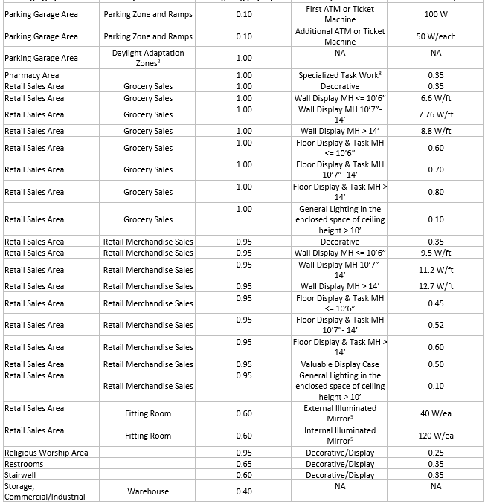
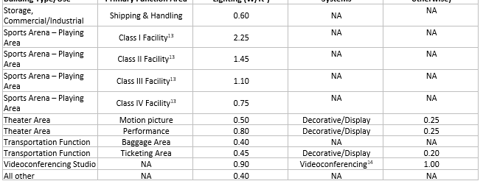
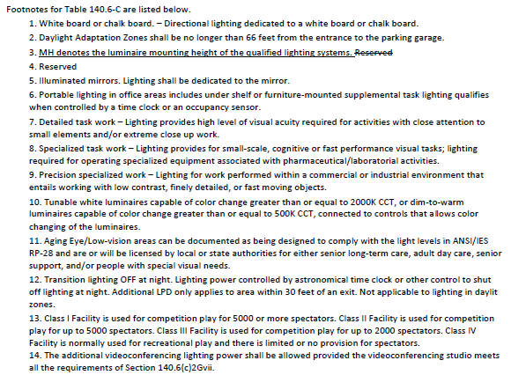
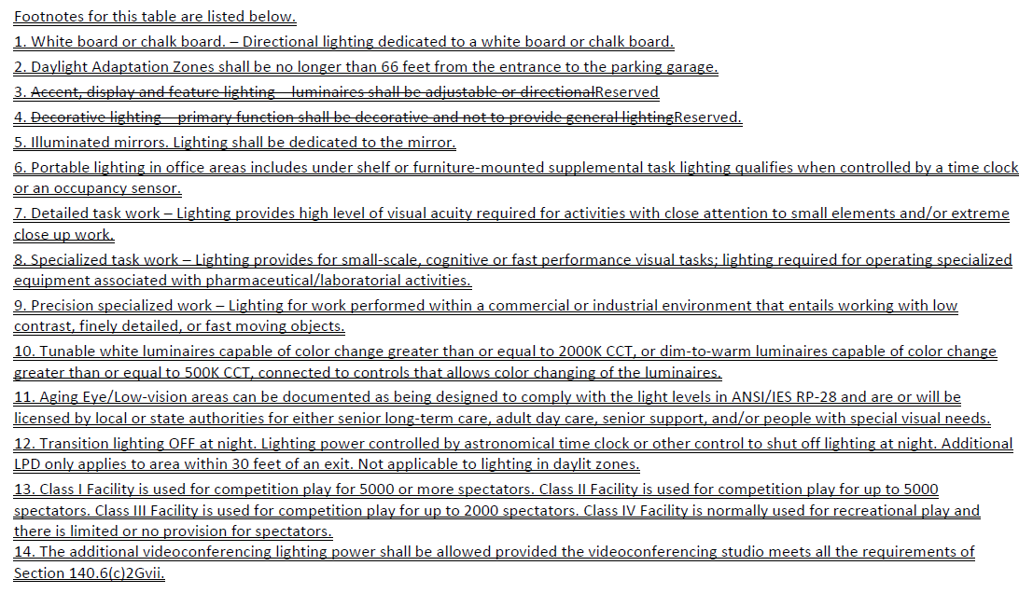
 | User input |  | auto calculated |  |  | From another Table |  |  | From look up table

I. LIGHTING POWER ALLOWANCE: COMPLETE BUILDING OR AREA CATEGORY METHODS
Each area complying using the Complete Building or Area Category Methods per §140.6(b) are included in this table. Column 06 indicates if additional lighting power allowances per §140.6(c) or adjustments per §140.6(a) are being used.
Conditioned Spaces
01 |  |  | 02 | 03 | 04 | 05 | 06
Area Description |  |  | Complete Building or Area Category Primary Function Area | Allowed Density (W/ft2) | Area (ft²) | Allowed Wattage (watts) | Additional Allowance/ Adjustment
 |  |  |  |  |  |  | Area Category | PAF
 |  |  | This dropdown will customize based on whether complete building or area category is chosen in Table B (same as Table I column 02) | From Table below |  | calculated as LPD x 04 (LPD is determined based on 02 selection) | Triggers Table J | Triggers Table P
 |  |  |  | TOTALS: | 0 | 0 | See Tables J or P for detail
Reset
Add Row
Remove Last
 |  |  |  |  |  |  | Duplicate Row | Add Row
Unconditioned Spaces
01 |  |  | 02 | 03 | 04 | 05 | 06
Area Description |  |  | Complete Building or Area Category Primary Function Area | Allowed Density (W/ft2) | Area (ft²) | Allowed Wattage (watts) | Additional Allowance/ Adjustment
 |  |  |  |  |  |  | Area Category | PAF
 |  |  | This dropdown will customize based on whether complete building or area category is chosen in Table B (same as Table I column 02) | From Table below |  | calculated as LPD x 04 (LPD is determined based on 02 selection) | Triggers Table J | Triggers Table P
 |  |  |  | TOTALS: | 0 | 0 | See Tables J or P for detail
Reset
Add Row
Remove Last
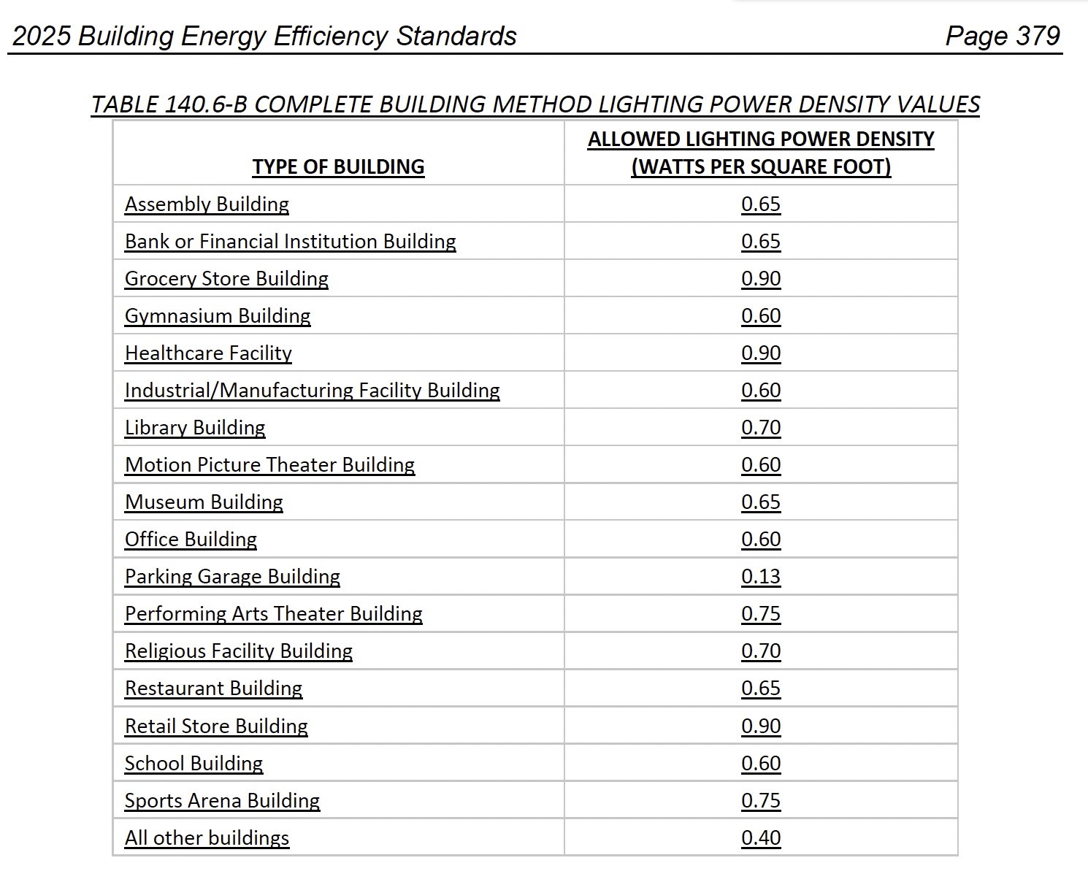
 |  |  |  |  |  |  | Duplicate Row | Add Row |  | This table is for NONRESIDENTIAL | This table is for MF COMMON AREAS
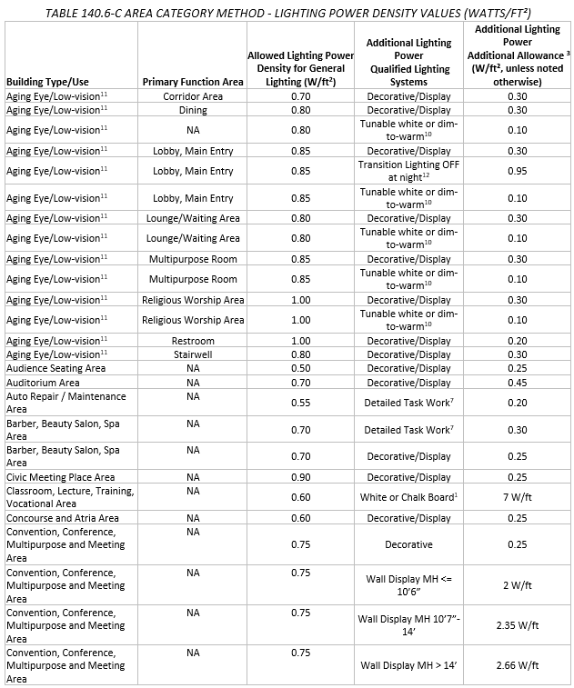
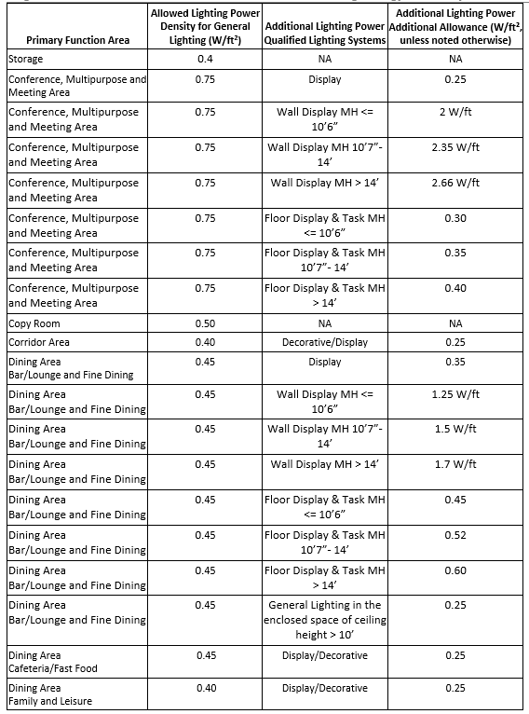
 |  | Complete Building or Area Category Primary Function Area Dropdown List |  |  |  | LPD
 |  | if(Calculation Method in Table B = "Complete Building"): |  |  |  | if (Calculation Method in Table B = "Complete Building"):

 |  | Assembly Building |  |  |  | 0.65
 |  | "Financial Center Building" |  |  |  | 0.65
 |  | "Grocery Store Building" |  |  |  | 0.90
 |  | Gymnasium Building |  |  |  | 0.60
 |  | Healthcare Facility |  |  |  | 0.90
 |  | Industrial Manufacturing Building |  |  |  | 0.60
 |  | "Library Building" |  |  |  | 0.70
 |  | Motion Picture Theater Building |  |  |  | 0.60
 |  | Museum Building |  |  |  | 0.65
 |  | "Office Building" |  |  |  | 0.60
 |  | "Parking Garage Building" |  |  |  | 0.13
 |  | Performing Arts Theater Building |  |  |  | 0.75
 |  | "Religious Facility Building" |  |  |  | 0.70
 |  | "Restaurant Building" |  |  |  | 0.65
 |  | Retail Store Building |  |  |  | 0.90
 |  | "School Building" |  |  |  | 0.60
 |  | Sports Area Building |  |  |  | 0.75
 |  | "All Other Building" |  |  |  | 0.40
 |  | else if (Calculation Method in Table B = "Area Category" or Calculation Method in Table B = "Area Category + Tailored"):
 |  | Audience Seating Area |  |  |  | 0.50
 |  | "Auditorium" |  |  |  | 0.70
 |  | "Auto Repair" |  |  |  | 0.55
 |  | "Barber/Beauty Salon/Spa" |  |  |  | 0.70
 |  | "Civic Meeting Place" |  |  |  | 0.90
 |  | "Classroom, Lecture, Training, Vocational" |  |  |  | 0.60
 |  | Concourse and Atria Area |  |  |  | 0.60
 |  | "Convention, Conference, Multipurpose, and Meeting Center" |  |  |  | 0.75
 |  | "Commercial and Industrial Storage-Shipping" "Storage- Commercial/Industrial - Warehouse" |  |  |  | 0.60
 |  | Commercial and Industrial Warehouse Storage - Commercial/Industrial - Shipping & Handling |  |  |  | 0.40
 |  | Copy Room |  |  |  | 0.50
 |  | Corridor |  |  |  | 0.40
 |  | Corridor (Low Vision) |  |  |  | 0.70
 |  | Dining- Family |  |  |  | 0.40
 |  | Dining- Fast Food |  |  |  | 0.45
 |  | Dining- Bar/Fine |  |  |  | 0.45
 |  | Dining (Low Vision) |  |  |  | 0.80
 |  | "Electrical, Mechanical, Telephone Rooms" |  |  |  | 0.40
 |  | "Exercise Center, Gymnasium" |  |  |  | 0.50
 |  | "Exhibit, Museum" |  |  |  | 0.60
 |  | "Financial Transaction" |  |  |  | 0.70
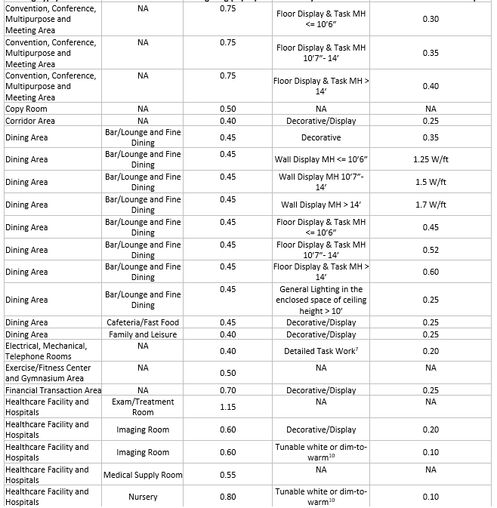
 |  | "General Commercial and Industrial Work - Low Bay" |  |  |  | 0.60
 |  | "General Commercial and Industrial Work - High Bay" |  |  |  | 0.65
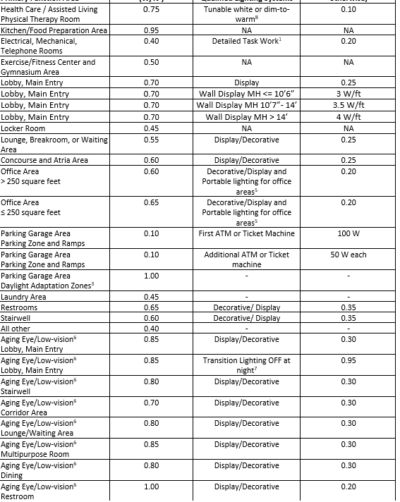
 |  | "General Commercial and Industrial Work - Precision" |  |  |  | 0.85
 |  | "Grocery Sales" |  |  |  | 1.00
 |  | Hospital- Exam/Treatment |  |  |  | 1.15
 |  | Hospital- Imaging |  |  |  | 0.60
 |  | Hospital- Med Supply |  |  |  | 0.55
 |  | Hospital- Nursery |  |  |  | 0.80
 |  | Hospital- Nurse Station |  |  |  | 0.85
 |  | Hospital- Operating Rm |  |  |  | 1.90
 |  | Hospital- Patient Rm |  |  |  | 0.70
 |  | Hospital- Physical Therapy |  |  |  | 0.75
 |  | Hotpital- Recovery |  |  |  | 0.90
 |  | "Hotel Function" |  |  |  | 0.85
 |  | "Kitchen, Food Preparation" |  |  |  | 0.95
 |  | "Laboratory Area, Scientific" |  |  |  | 0.90
 |  | "Laundry" |  |  |  | 0.45
 |  | "Library - Reading Area" |  |  |  | 0.80
 |  | "Library - Stack Area" |  |  |  | 1.00
 |  | "Main Entry Lobby" |  |  |  | 0.70
 |  | Main Entry Lobby (Low Vision) |  |  |  | 0.85
 |  | Multipurpose Rm (Low Vision) |  |  |  | 0.85
 |  | "Locker/Dressing Room" |  |  |  | 0.45
 |  | "Lounge" |  |  |  | 0.55
 |  | Lounge/ Waiting (Low Vision) |  |  |  | 0.80
 |  | Museum Restoration |  |  |  | 0.70
 |  | "Office (> 250 square feet)" |  |  |  | 0.60
 |  | "Office (<= 250 square feet)" |  |  |  | 0.65
 |  | "Parking Garage - Parking Area & Ramps" |  |  |  | 0.10
 |  | "Parking Garage - Daylight Adaption Zones" |  |  |  | 1.00
 |  | Pharmacy |  |  |  | 1.00
 |  | "Religious Worship" |  |  |  | 0.95
 |  | Religious Worship (Low Vision) |  |  |  | 1.0
 |  | Restroom |  |  |  | 0.65
 |  | Restroom (Low Vision) |  |  |  | 1.0
 |  | Retail Fitting Rm |  |  |  | 0.60
 |  | "Retail Merchandise Sales, Wholesale Showroom" |  |  |  | 0.95
 |  | Sports Arena- Class I |  |  |  | 2.25
 |  | Sports Arena- Class II |  |  |  | 1.45
 |  | Sports Arena- Class III |  |  |  | 1.10
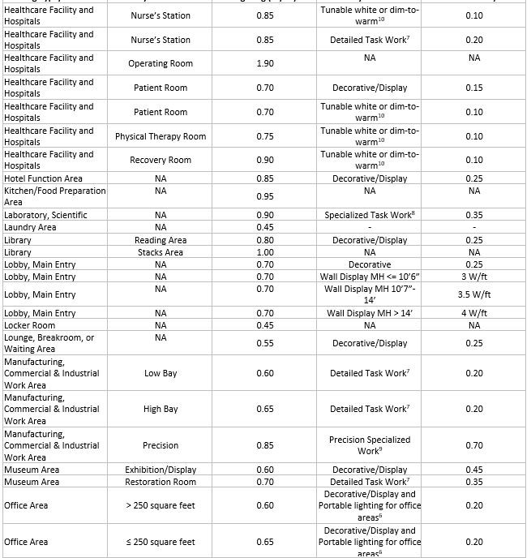
 |  | Sports Arena- Class IV |  |  |  | 0.75
 |  | Stairwell |  |  |  | 0.60
 |  | Stairwell (Low Vision) |  |  |  | 0.80
 |  | Storage- MF common areas |  |  |  | 0.45 0.40
 |  | "Theater - Motion Picture" |  |  |  | 0.50
 |  | "Theater - Performance" |  |  |  | 0.80
 |  | "Transportation - Concourse & Baggage" |  |  |  | 0.40
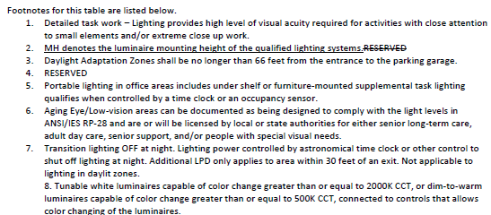
 |  | "Transportation - Ticketing" |  |  |  | 0.45
 |  | "Videoconferencing Studio" |  |  |  | 0.90
 |  | "All Other Space Types" |  |  |  | 0.40

J. ACM Qualifying System
 | User input |  | auto calculated |  |  | From another Table |  |  | From look up table

J. ADDITIONAL LIGHTING ALLOWANCE: AREA CATEGORY METHOD QUALIFYING LIGHTING SYSTEM
All areas indicated in Table I as using an additional allowance using the Area Category Method have been included in this table to calculate the additional allowance per Table140.6-C /170.2-M.
Conditioned Spaces
01 | 02 | 03 | 04 | 05 | 06 | 07 | 08 | 09 | 10
Area Description | Primary Function Area | Applicable Qualifying Lighting System from Table 140.6-C | Allowed Density (W/ft²) or (W/lf) | Ltg Area, Length or ATM/ Mirror (ft², lf or #) | Extra Allowance (Watts) | Luminaire Name or Item Tag | Watts per Luminaire | Number of Luminaires | Total Design Watts
Auto fills from Tbl I. | Auto fills from Tbl I. | Dropdown (See below). Customize based on Function Area in 02 | autofilled by dropdown (see below for values) |  | calculated as 04x05 | drop down from Table F | Autofill from Table F based on 07 |  | calculated as 08x09
Add System
Add Luminaire
Remove Last
Total Design Watts: | Calculated Allowance (Watts): | Total Additional Allowance for this area:
sum of column 10 for space | sum of column 06 for space | autofill Total Design Watts or Calculated Allowance, whichever is less
11
Total Additional Allowance (Watts) CONDITIONED SPACES: |  | sum of Total Additional Allowance for whole table
Unconditioned Spaces
01 | 02 | 03 | 04 | 05 | 06 | 07 | 08 | 09 | 10
Area Description | Primary Function Area | Applicable Qualifying Lighting System from Table 140.6-C | Allowed Density (W/ft²) or (W/lf) | Ltg Area, Length or ATM/ Mirror (ft², lf or #) | Extra Allowance (Watts) | Luminaire Name or Item Tag | Watts per Luminaire | Number of Luminaires | Total Design Watts
Auto fills from Tbl I. | Auto fills from Tbl I. | Dropdown (See below). Customize based on Function Area in 02 | autofilled by dropdown (see below for values) |  | calculated as 04x05 | drop down from Table F | Autofill from Table F based on 07 |  | calculated as 08x09
Add System
Add Luminaire
Remove Last
Total Design Watts: | Calculated Allowance (Watts): | Total Additional Allowance for this area:
sum of column 10 for space | sum of column 06 for space | autofill Total Design Watts or Calculated Allowance, whichever is less
11
Total Additional Allowance (Watts) UNCONDITIONED SPACES: |  | sum of Total Additional Allowance for whole table

Add Footnote button to show up IF the primary function area is either "Retail Merchandise Sales, Wholesale Showroom" OR "Grocery Sales".
Pressing this button essentially duplicates the space in this table (but leaves columns 03-10 uncompleted for user to complete)- see pic below.

Allowed Density For Column 04 Autofill
Decorative/ Display A | 0.15
Decorative/ Display B | 0.20
Decorative/ Display C | 0.25
Decorative/ Display D | 0.30
Decorative/ Display E | 0.35
Decorative/ Display F | 0.45
Detailed Task A | 0.20
Detailed Task B | 0.30
Detailed Task C | 0.35
Chalk/ Whiteboard | 7 | 03 Dropdown
Precision Work | 0.70 | Decorative/ Display F
Portable Office | 0.20
ATM/ Ticket Machine | see note for column 06 | 03 Dropdown
Specialized Task | 0.35 | Detailed Task A
Mirror- Externally Lit | 40
Mirror- Internally Lit | 120 | 03 Dropdown
Tunable White | 0.10 | Decorative/ Display C
Videoconferencing | 1.0
Transition OFF | 0.95 | 03 Dropdown
Valuable Display Case | 0.5 | Detailed Task B
Wall Display MH ≤ 10'6" A | 2 | Decorative/ Display C
Wall Display MH 10'7" - 14' A | 2.35
Wall Display MH > 14' A | 2.66 | 03 Dropdown
Floor Display & Task MH ≤ 10'6" A | 0.30 | Chalk/ Whiteboard
Floor Display & Task MH 10'7" - 14' A | 0.35
Floor Display & Task MH > 14' A | 0.40 | 03 Dropdown
Wall Display MH ≤ 10'6" B | 1.25 | Decorative/ Display B
Wall Display MH 10'7" - 14' B | 1.5
Wall Display MH > 14' B | 1.7 | 03 Dropdown
Floor Display & Task MH ≤ 10'6" B | 0.45 | Precision Work
Floor Display & Task MH 10'7" - 14' B | 0.52
Floor Display & Task MH > 14' B | 0.6 | 03 Dropdown
Wall Display MH ≤ 10'6" C | 3 | Portable Office
Wall Display MH 10'7" - 14' C | 3.5 | Decorative/ Display B
Wall Display MH > 14' C | 4
Wall Display MH ≤ 10'6" D | 6.6 | 03 Dropdown
Wall Display MH 10'7" - 14' D | 7.76 | ATM/ Ticket machine
Wall Display MH > 14' D | 8.8
Wall Display MH ≤ 10'6" E | 9.5 | 03 Dropdown
Wall Display MH 10'7" - 14' E | 11.2 | Specialized Task
Wall Display MH > 14' E | 12.7
Floor Display & Task MH ≤ 10'6" C | 0.6 | 03 Dropdown
Floor Display & Task MH 10'7" - 14' C | 0.7 | Decorative/ Display E
Floor Display & Task MH > 14' C | 0.8
Floor Display & Task MH ≤ 10'6" D | 0.45 | 03 Dropdown
Floor Display & Task MH 10'7" - 14' D | 0.52 | Mirror- Externally Lit
Floor Display & Task MH > 14' D | 0.6 | Mirror- Internally Lit
General Lighting enclosed ceiling > 10' A | 0.25
General Lighting enclosed ceiling > 10' B | 0.1 | 03 Dropdown
 |  | Tunable White

 |  | 03 Dropdown
 |  | Tunable White
 |  | Decorative/ Display B

 |  | 03 Dropdown
 |  | Tunable White
 |  | Decorative/ Display A

 |  | 03 Dropdown
 |  | Videoconferencing

 |  | 03 Dropdown
 |  | Decorative/ Display D
 |  | Transition OFF
 |  | Tunable White

 |  | 03 Dropdown
 |  | Decorative/ Display D

 |  | 03 Dropdown
 |  | Tunable White
 |  | Detailed Task A

 |  | 03 Dropdown
 |  | Detailed Task C

 |  | 03 Dropdown
 |  | Tunable White
 |  | Decorative/ Display D

 |  | 08 Dropdown
 |  | Wall Display MH ≤ 10'6" A
 |  | Wall Display MH 10'7" - 14' A
 |  | Wall Display MH > 14' A
 |  | Floor Display & Task MH ≤ 10'6" A
 |  | Floor Display & Task MH 10'7" - 14' A
 |  | Floor Display & Task MH > 14' A

 |  | 08 Dropdown
 |  | Decorative/Display E
 |  | Wall Display MH ≤ 10'6" B
 |  | Wall Display MH 10'7" - 14' B
 |  | Wall Display MH > 14' B
 |  | Floor Display & Task MH ≤ 10'6" B
 |  | Floor Display & Task MH 10'7" - 14' B
 |  | Floor Display & Task MH > 14' B
 |  | General Lighting enclosed ceiling > 10' A

 |  | 08 Dropdown
 |  | Wall Display MH ≤ 10'6" C
 |  | Wall Display MH 10'7" - 14' C
 |  | Wall Display MH > 14' C

 |  | 08 Dropdown
 |  | Decorative/Display E
 |  | Wall Display MH ≤ 10'6" D
 |  | Wall Display MH 10'7" - 14' D
 |  | Wall Display MH > 14' D
 |  | Floor Display & Task MH ≤ 10'6" C
 |  | Floor Display & Task MH 10'7" - 14' C
 |  | Floor Display & Task MH > 14' C
 |  | General Lighting enclosed ceiling > 10' B

 |  | 08 Dropdown
 |  | Decorative/Display E
 |  | Wall Display MH ≤ 10'6" E
 |  | Wall Display MH 10'7" - 14' E
 |  | Wall Display MH > 14' E
 |  | Floor Display & Task MH ≤ 10'6" D
 |  | Floor Display & Task MH 10'7" - 14' D
 |  | Floor Display & Task MH > 14' D
 |  | Valuable Display Case
 |  | General Lighting enclosed ceiling > 10' B

K. Tailored Method
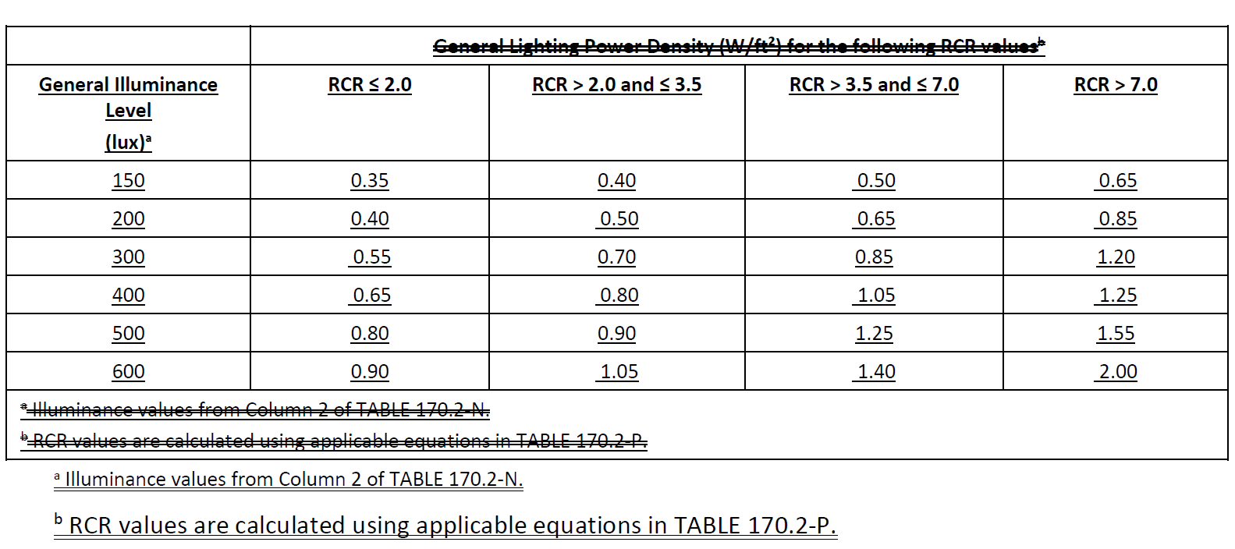
 | User input |  | auto calculated |  |  | From another Table |  |  | From look up table
DELETE TAILORED LIGHTING SECTIONS FOR 2025

K. TAILORED METHOD GENERAL LIGHTING POWER ALLOWANCE
This table includes areas using the Tailored Method per §140.6(c)3/§170.2(e)4B. If additional Tailored Method "use it or lose it" allowances are used it is also indicated. Lighting that qualifies for one of the additional allowances shall not qualify for another additional allowance.
Conditioned Spaces
General Lighting Power Allowance | Additional "Use it or lose it" Allowances |  |  |  | 01
 | ¨ Wall Display Lighting | ¨ Floor Display & Task Lighting | ¨ Decorative & Special Effects | ¨ Very Valuable Merchandise | Total Allowed Watts using Tailored Method
Table K (below) | Table L | Table M | Table N | Table O | #VALUE!
#VALUE! | 0 | 0 | #VALUE! | #VALUE!
Calculated General Lighting Power Allowance
02 | 03 |  | 04 | 05 | 06 | 07 | 08 | 09
Area Description | Primary Function Area per Table 140.6-D/ 170.2-N |  | Illuminance Value (LUX) | Room Configuration | Allowed Density (W/ft²) | Area (ft²) | Extra Allowance (Watts) | Power Adjustment (See Table P)
 | dropdown |  | autofilled by 03 dropdown |  | This value will be determined based on illuminance value and room cavity ratio |  | #VALUE! | ¨ PAF
These rows show up if Room Configuration is selected above>>> | IF column 05 = Rectangular: "Room Length (ft)" ELSE IF column 05 = Non-Rectangular: "Not Applicable" | IF column 05 = Rectangular: "Room Width (ft)" ELSE IF column 05 = Non-Rectangular: "Perimeter (ft)" | Room Height (ft) | Room Cavity Ratio (RCR)
 |  |  |  | IF 05="Rectangular" RCR = (5*Height*(Length+Width))/(Length*Width) ELSE: RCR = 2.5*Height*Width/07
Total General Power Allowance (Watts) CONDITIONED SPACES: |  |  |  |  |  |  | #VALUE!
Add Row
Remove Last
Unconditioned Spaces
General Lighting Power Allowance | Additional "Use it or lose it" Allowances |  |  |  | 01
 | ¨ Wall Display Lighting | ¨ Floor Display & Task Lighting | ¨ Decorative & Special Effects | ¨ Very Valuable Merchandise | Total Allowed Watts using Tailored Method
Table L (below) | Table L | Table M | Table N | Table O | #VALUE!
#VALUE! | 0 | 0 | #VALUE! | #VALUE!
Calculated General Lighting Power Allowance
02 | 03 |  | 04 | 05 | 06 | 07 | 08 | 09
Area Description | Primary Function Area per Table 140.6-D/ 170.2-N |  | Illuminance Value (LUX) | Room Configuration | Allowed Density (W/ft²) | Area (ft²) | Extra Allowance (Watts) | Power Adjustment (See Table P)
 | dropdown |  | autofilled by 03 dropdown |  | This value will be determined based on illuminance value and room cavity ratio |  | #VALUE! | ¨ PAF
These rows show up if Room Configuration is selected above>>> | IF column 05 = Rectangular: "Room Length (ft)" ELSE IF column 05 = Non-Rectangular: "Not Applicable" | IF column 05 = Rectangular: "Room Width (ft)" ELSE IF column 05 = Non-Rectangular: "Perimeter (ft)" | Room Height (ft) | Room Cavity Ratio (RCR)
 |  |  |  | IF 05="Rectangular" RCR = (5*Height*(Length+Width))/(Length*Width) ELSE: RCR = 2.5*Height*Width/07
Total General Power Allowance (Watts) UNCONDITIONED SPACES: |  |  |  |  |  |  | #VALUE!
Add Row
Remove Last
 |  |  |  |  |  |  |  |  |  |  | This is for NONRESIDENTIAL

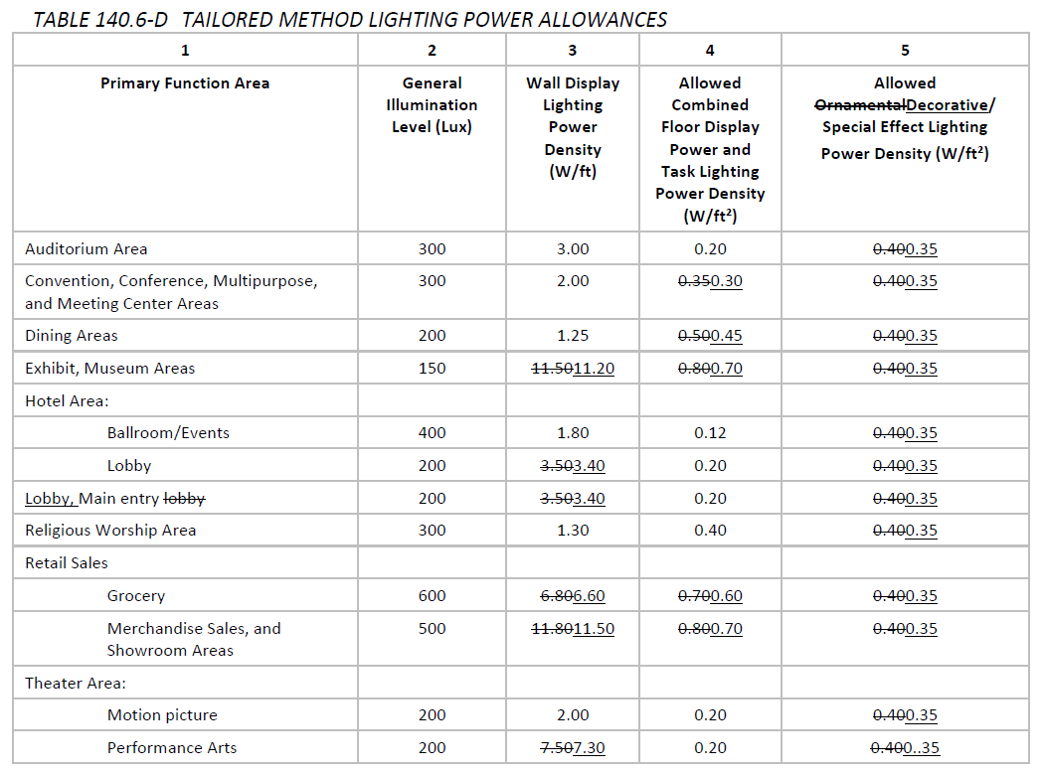
 |  |  |  | This table is for NONRESIDENTIAL
 | dropdown
 | Auditorium Area
 | Convention Area
 | Conference Area
 | Multifamily Conference Area
 | Multipurpose Area
 | Multifamily Multipurpose Area
 | Meeting Center Area
 | Multifamily Meeting Center Area
 | Dining Areas
 | Multifamily Dining Areas
 | Exhibit, Museum Areas
 | Hotel Ballroom/ Events
 | Hotel Lobby
 | Main Entry Lobby
 | Multifamily Main Entry Lobby
 | Religious Worship Area
 | Retail Sales - Grocery
 | Retail Merchandise Sales
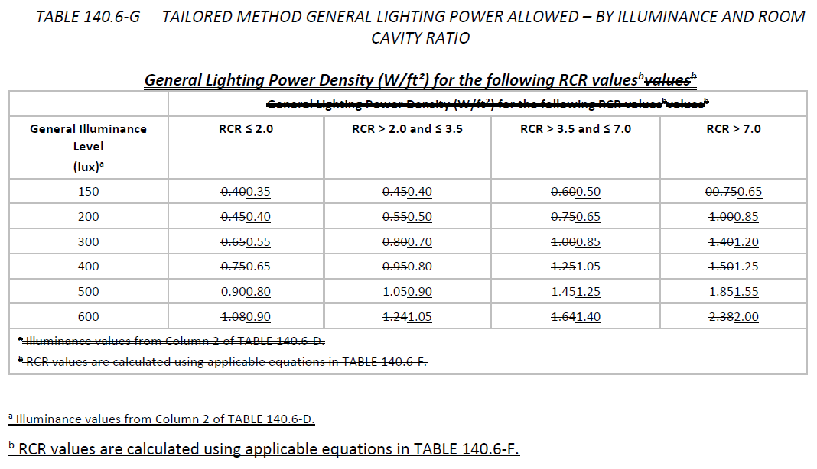
 | Showroom Area
 | Motion Picture Theater
 | Performance Theater

 |  |  |  | This table is for MF COMMON AREAS
 |  |  |  |  |  |  |  |  |  | This table is for MF COMMON AREAS

L. Tailored Wall Display
 | User input |  | auto calculated |  | From another Table |  |  | From look up table
DELETE TAILORED LIGHTING SECTIONS FOR 2025

L. ADDITIONAL LIGHTING ALLOWANCE: TAILORED WALL DISPLAY
Conditioned Spaces
01 | 02 | 03 | 04 | 05 | 06 | 07 | 08 | 09 | 10 | 11
Area Description | CALCULATED ALLOWANCE (Watts) |  |  | DESIGN WATTS |  |  |  |  |  | Additional Allowance (Watts)
 | Wall Display Length (lf) | Wall Display Density (W/lf) | Extra Allowance (Watts) | Luminaire Name or Item Tag | Mounting Height (ft) | Mounting Height Factor | Watts per Luminaire | # of Luminaires | Total Design Watts
Dropdown from Tbl K. |  | Autofill based on Primary Function (in Table K) of the area | #VALUE! | Drop down from Table F |  | i | Autofill from Table F based on 05 |  | #VALUE!
Total Design Watts for this Area: |  |  |  |  |  |  |  |  | #VALUE!
Add Luminaire
Remove Last
 |  |  |  |  |  |  |  |  | Add Luminaires | Remove Last
Total Additional Allowance (Watts) CONDITIONED SPACES: |  |  |  |  |  |  |  |  |  | 0
Add Row
Remove Last
 |  |  |  |  |  |  |  |  | Add Row | Remove Last
Unconditioned Spaces
01 | 02 | 03 | 04 | 05 | 06 | 07 | 08 | 09 | 10 | 11
Area Description | CALCULATED ALLOWANCE (Watts) |  |  | DESIGN WATTS |  |  |  |  |  | Additional Allowance (Watts)
 | Wall Display Length (lf) | Wall Display Density (W/lf) | Extra Allowance (Watts) | Luminaire Name or Item Tag | Mounting Height (ft) | Mounting Height Factor | Watts per Luminaire | # of Luminaires | Total Design Watts
Dropdown from Tbl K. |  | Autofill based on Primary Function (in Table K) of the area | #VALUE! | Drop down from Table F |  | if (col06 == "≥ 16 feet"): "0.77"; else if (col06 == "12 to 16 feet"): "0.87"; else: "1"; | Autofill from Table F based on 05 |  | #VALUE!
Total Design Watts for this Area: |  |  |  |  |  |  |  |  | #VALUE!
Add Luminaire
Remove Last
Remove Last
 |  |  |  |  |  |  |  |  | Add Luminaires | Remove Last
Total Additional Allowance (Watts) UNCONDITIONED SPACES: |  |  |  |  |  |  |  |  |  | 0
Add Row
Remove Last
 |  |  |  |  |  |  |  |  | Add Row | Remove Last

 |  |  |  |  |  |  |  |  |  |  | This table is for NONRESIDENTIAL

 |  |  |  |  |  |  |  |  |  |  | This table is for MF COMMON AREAS

 | This table is for MF COMMON AREAS

 |  |  |  |  | ^^^
 |  |  |  |  | Lobby value not same as NR

M. Tailored Task Lighting
 | User input |  | auto calculated |  | From another Table |  |  | From look up table
DELETE TAILORED LIGHTING SECTIONS FOR 2025

M. ADDITIONAL LIGHTING ALLOWANCE: TAILORED FLOOR AND TASK LIGHTING
Conditioned Spaces
01 | 02 | 03 | 04 | 05 | 06 | 07 | 08 | 09 | 10 | 11
Area Description | CALCULATED ALLOWANCE (Watts) |  |  | DESIGN WATTS |  |  |  |  |  | Additional Allowance (Watts)
 | Area (ft²) | Allowed Density (W/ft²) | Extra Allowance (Watts) | Luminaire Name or Item Tag | Mounting Height (ft) | Mounting Height Factor | Watts per Luminaire | # of Luminaires | Total Design Watts
Dropdown from Tbl K. |  | Autofill based on Primary Function (in Table K) of the area | #VALUE! | Drop down from Table F | See dropdown |  | Autofill from Table F based on 05 |  | #VALUE!
Total Design Watts for this Area: |  |  |  |  |  |  |  |  | #VALUE!
Add Luminaire
Remove Last
Remove Last
 |  |  |  |  |  |  |  |  | Add Luminaires | Remove Last
Total Additional Allowance (Watts) CONDITIONED SPACES: |  |  |  |  |  |  |  |  |  | 0
Add Row
Remove Last
 |  |  |  |  |  |  |  |  | Add Row | Remove Last
Unconditioned Spaces
01 | 02 | 03 | 04 | 05 | 06 | 07 | 08 | 09 | 10 | 11
Area Description | CALCULATED ALLOWANCE (Watts) |  |  | DESIGN WATTS |  |  |  |  |  | Additional Allowance (Watts)
 | Area (ft²) | Allowed Density (W/ft²) | Extra Allowance (Watts) | Luminaire Name or Item Tag | Mounting Height (ft) | Mounting Height Factor | Watts per Luminaire | # of Luminaires | Total Design Watts
Dropdown from Tbl K. |  | Autofill based on Primary Function (in Table K) of the area | #VALUE! | Drop down from Table F | See dropdown |  | Autofill from Table F based on 05 |  | #VALUE!
Total Design Watts for this Area: |  |  |  |  |  |  |  |  | #VALUE!
Add Luminaire
Remove Last
Remove Last
 |  |  |  |  |  |  |  |  | Add Luminaires | Remove Last
Total Additional Allowance (Watts) UNCONDITIONED SPACES: |  |  |  |  |  |  |  |  |  | 0
Add Row
Remove Last
 |  |  |  |  |  |  |  |  | Add Row | Remove Last

 |  |  |  |  | Mounting Height Dropdown
 |  |  |  |  | < 10'7"
 |  |  |  |  | 10'7"-14'
 |  |  |  |  | > 14' - 18'
 |  |  |  |  | > 18'

 | This table is for NONRES

 | This table is for MF COMMON AREAS

 |  |  |  |  |  | ^^None of these are same as NR

N. Tailored Decorative
 | User input |  | auto calculated |  | From another Table |  |  | From look up table
DELETE TAILORED LIGHTING SECTIONS FOR 2025

N. ADDITIONAL LIGHTING ALLOWANCE: TAILORED DECORATIVE/SPECIAL EFFECTS
Conditioned Spaces
01 | 02 | 03 | 04 | 05 | 06 | 07 | 08 | 09
Area Description | CALCULATED ALLOWANCE (Watts) |  |  | DESIGN WATTS |  |  |  | Additional Allowance (Watts)
 | Area (ft²) | Allowed Density (W/ft²) | Extra Allowance (Watts) | Luminaire Name or Item Tag | Watts per Luminaire | # of Luminaires | Total Design Watts
Dropdown from Tbl K. |  | Autofill based on Primary Function (in Table K) of the area | #VALUE! | Drop down from Table F | Autofill from Table F based on 05 |  | #VALUE! |  | This Table is for NONRES
Total Design Watts for this Area: |  |  |  |  |  |  | #VALUE! | #VALUE!
Add Luminaire
Remove Last
 |  |  |  |  |  |  | Add Luminaires | Remove Last
Total Additional Allowance (Watts) CONDITIONED SPACES: |  |  |  |  |  |  |  | #VALUE!
Add Row
Remove Last
 |  |  |  |  |  |  | Add Row | Remove Last
Unconditioned Spaces
01 | 02 | 03 | 04 | 05 | 06 | 07 | 08 | 09
Area Description | CALCULATED ALLOWANCE (Watts) |  |  | DESIGN WATTS |  |  |  | Additional Allowance (Watts)
 | Area (ft²) | Allowed Density (W/ft²) | Extra Allowance (Watts) | Luminaire Name or Item Tag | Watts per Luminaire | # of Luminaires | Total Design Watts
Remove Last
Dropdown from Tbl K. |  | Autofill based on Primary Function (in Table K) of the area | #VALUE! | Drop down from Table F | Autofill from Table F based on 05 |  | #VALUE!
Total Design Watts for this Area: |  |  |  |  |  |  | #VALUE! | #VALUE!
Add Luminaire
Remove Last
Remove Last
 |  |  |  |  |  |  | Add Luminaires | Remove Last
Total Additional Allowance (Watts) UNCONDITIONED SPACES: |  |  |  |  |  |  |  | #VALUE!
Add Row
 |  |  |  |  |  |  | Add Row | Remove Last

 |  |  |  |  |  |  |  |  | This table is for MF COMMON AREAS

O. Very Valuable
 | User input |  | auto calculated |  | From another Table |  |  | From look up table
DELETE TAILORED LIGHTING SECTIONS FOR 2025

O. ADDITIONAL LIGHTING ALLOWANCE: TAILORED VERY VALUABLE MERCHANDISE
This category includes case lighting in retail merchandise sales, museums, and religious settings, where lighting of small art objects, artifacts, or valuable collections is required. The display case shall contain jewelry, coins, fine china, fine crystal, precious stones, silver, small art objects or artifacts, and/or valuable collections the display of which involves customer inspection of very fine detail from outside of a locked case. Lighting in this category must comply with the applicable requirements in §140.6(c)3J/§170.2(e)4B.
Conditioned Spaces
01 | 02 | 03 | 04 | 05 | 06 | 07 | 08
Area Description | Description of Display Case | QUALIFYING FLOOR AREA |  |  | QUALIFYING DISPLAY CASE AREA
 |  | Area (ft2) | Allowed Density (W/ft²) | Extra Allowance (Watts) | Area of Display Case (ft2) | Allowed Density (W/ft²) | Extra Allowance (Watts)
Dropdown from Tbl K. |  |  | 0.5 | 0 |  | 7.0 | 0
 |  | 09 | 10 | 11 | 12 | 13
 |  | DESIGN WATTS |  |  |  | Additional Allowance (Watts)
 |  | Luminaire Name or Item Tag | Watts per Luminaire | # of Luminaires | Total Design Watts
 |  | pull down from Table F. | auto fill from Table F |  | #VALUE!
Total Design Watts for this Area: |  |  |  |  | #VALUE! | #VALUE!
Add Luminaire
Add Luminaire
Remove Last
Remove Last
 |  |  |  |  |  | Add Luminaire | Remove Last
Total Additional Allowance (Watts) CONDITIONED SPACES: |  |  |  |  |  | #VALUE!
Add Row
Remove Last
 |  |  |  |  |  | Add Row | Remove Last
Unconditioned Spaces
01 | 02 | 03 | 04 | 05 | 06 | 07 | 08
Area Description | Description of Display Case | QUALIFYING FLOOR AREA |  |  | QUALIFYING DISPLAY CASE AREA
 |  | Area (ft2) | Allowed Density (W/ft²) | Extra Allowance (Watts) | Area of Display Case (ft2) | Allowed Density (W/ft²) | Extra Allowance (Watts)
Dropdown from Tbl K. |  |  | 0.5 | 0 |  | 7.0 | 0
 |  | 09 | 10 | 11 | 12 | 13
 |  | DESIGN WATTS |  |  |  | Additional Allowance (Watts)
 |  | Luminaire Name or Item Tag | Watts per Luminaire | # of Luminaires | Total Design Watts
 |  | pull down from Table F. | auto fill from Table F |  | #VALUE!
Total Design Watts for this Area: |  |  |  |  | #VALUE! | #VALUE!
Add Luminaire
Remove Last
 |  |  |  |  |  | Add Luminaire | Remove Last
Total Additional Allowance (Watts) UNCONDITIONED SPACES: |  |  |  |  |  | #VALUE!
Add Row
Remove Last
 |  |  |  |  |  | Add Row | Remove Last

P. PAFs
User input |  |  | auto calculated |  |  |  |  |  |  | From another Table |  |  | From look up table

P. POWER ADJUSTMENT: LIGHTING CONTROL CREDIT (POWER ADJUSTMENT FACTOR (PAF))
This table includes all areas indicated in Table I or Table K as using a PAF credit described in §140.6(a)2/ §170.2(e)2B.
Conditioned Spaces
01 | 02 |  |  |  |  |  |  |  |  | 03 | 04 | 05 | 06 | 07
Area Description | PAF per §140.6(a)2/§170.2(e)2B1 (*Can be used in conjunction with other PAF'S) |  |  |  |  |  |  |  |  | Luminaires Controlled for PAF Credit |  |  |  | Additional Control Credit Allowance (Watts)
 | 1 | 2A | 2B 3 | 3A 4A* | 3B 4B* | 4 5* | 5 6* | 6 7* | 7 8* | Luminaire Name or Item Tag | Watts per Luminaire | Number of Luminaires | Lighting Controlled (Watts)
 | Pick up to one |  |  | Pick up to one |  |  | Pick up to one2
autofill from Table I. or Table K. |  |  |  |  |  |  |  |  |  | pull down from Table F. | auto fill from Table F based on 03 selection |  | #VALUE! | PAF x col06
Add Luminaire
Remove Last
 |  |  |  |  |  |  |  |  |  |  |  | Add Luminaire |  | Remove Last
08 |  |  |  |  |  |  |  |  | 09
o | All spaces applying PAF 5, 6, or 7 include a daylight design meeting requirements in §140.3(d). See Table S. |  |  |  |  |  |  |  | Total Power Adjustment (Watts) CONDITIONED SPACES: |  |  |  |  | 0
Unconditioned Spaces
01 | 02 |  |  |  |  |  |  |  |  | 03 | 04 | 05 | 06 | 07
Area Description | PAF per §140.6(a)2/§170.2(e)2B1 (*Can be used in conjunction with other PAF'S) |  |  |  |  |  |  |  |  | Luminaires Controlled for PAF Credit |  |  |  | Additional Control Credit Allowance (Watts)
 | 1 | 2A | 2B 3 | 3A 4A* | 3B 4B* | 4 5* | 5 6* | 6 7* | 7 8* | Luminaire Name or Item Tag | Watts per Luminaire | Number of Luminaires | Lighting Controlled (Watts)
 | Pick up to one |  |  | Pick up to one |  |  | Pick up to one2
autofill from Table I. or Table K. |  |  |  |  |  |  |  |  |  | pull down from Table F. | auto fill from Table F based on 03 selection |  | #VALUE! | PAF x col06
Add Luminaire
Remove Last
 |  |  |  |  |  |  |  |  |  |  |  | Add Luminaire |  | Remove Last
08 |  |  |  |  |  |  |  | 09
o | All spaces applying PAF 5, 6, or 7 include a daylight design meeting requirements in §140.3(d). See Table S. |  |  |  |  |  |  | Total Power Adjustments (Watts) UNCONDITIONED SPACES: |  |  |  |  |  | 0
1 FOOTNOTES: PAFs outlined in Table 140.6-A/170.2-L include 1) Daylight continuous dimming plus OFF; 2A) Occupant sensors in offices with one sensor per < 125 ft2; 2B 3) Occupant sensors in offices with one sensor per 126 - 250 ft2; 3A 4A) Institutional tuning, non-daylit areas; 3B 4B) Institutional tuning, daylit areas; 4 5) Demand response; 5 6) Clerestory fenestration; 6 7) Horizontal slats; 7 8) Light shelves.
2 Luminaires that qualify for PAF 5, 6, or 7 can be used in conjunction with PAF 1.

 | PAF Calculation
 | if PAF1 is checked: PAF += 0.10 if PAF2A is checked: PAF += 0.30 if PAF2B 3 is checked: PAF += 0.20 if PAF3A 4Ais checked: PAF += 0.10 if PAF3B 4B is checked: PAF += 0.05 if PAF4 5 is checked: PAF += 0.05 if PAF5 6 is checked: PAF +=0.05 if PAF6 7 is checked: PAF +=0.05 if PAF7 8 is checked: PAF +=0.10

Q. Rated Pwr
 | User input |  | auto calculated |  |  |  |  |  | From another Table |  |  | From look up table

Q. RATED POWER REDUCTION COMPLIANCE FOR ONE-FOR-ONE LUMINAIRE ALTERATIONS
Indoor lighting alterations complying prescriptively with §141.0(b)2I(iii)/§180.2(b)4biv are documented in this table. Any control options having a * will include a note in the Notes section of this table detailing how compliance is achieved, otherwise the compliance status in Table C will say "DOES NOT COMPLY".
01 | ¨ | Alteration scope includes a one-for-one luminaire alteration within a building or tenant space of 5,000 ft2 or less per §141.0(b)2I(iii)/§180.2(b)4biv.
02 | ¨ | At least one complete floor or complete tenant space includes a one-for-one luminaire alteration of 50 or less luminaires, per annum. These spaces do not need to comply with Part 6 requirements and therefore do not need to be included in tables below per Exception 6 to §141.0(b)2I/§180.2(b)4biv. |  |  |  |  | Applicable Spaces |  | OR | ¨ | Exception 6 applies to all spaces within the permit application

Fixture Schedule (Incude all luminaires being altered in the project)
03 | 04 | 05 | 06 | 07 | 08 | 09 | 10 | 11 | 12 | 13 | 14
Pre-alteration Luminaire Information |  |  |  |  |  | Post-alteration Luminaire Information
Name or Item Tag | Complete Luminaire Description | Watts per luminaire1 | How Wattage is Determined | Total number of Luminaires | Total Watts | Name or Item Tag | Complete Luminaire Description | Watts per luminaire1 | How Wattage is Determined | Total number of Luminaires | Total Watts
 |  |  | see dropdown |  | 0 |  |  |  |  | 0 | 0
Reset
Add Luminaire
Remove Last
#VALUE! | Percent Power Reduction2 |  | Total Pre-alteration Wattage |  | sum of column 08 | Total Post-alteration Wattage |  |  |  |  | sum of column 14
1 FOOTNOTE: Authority Having Jurisdiction may ask for Luminaire cut sheets to confirm wattage used for compliance per §130.0(c)/§160.5(b)1
2 Must be at least 40% to comply with §141.0(b)2I(iii)/§180.2(b)4biv
Mandatory Controls
15 |  | 16 |  | 17 |  | 18 |  | 19
Area Description |  | Primary Function Area |  | Manual Area Controls §130.1(a)/§160.5(b)4A |  | Shut-Off Controls §130.1(c)/§160.5(b)4C |  | * NOTES: Controls with a * require a note in the space below explaining how compliance is achieved
 |  | See dropdown |  | See dropdown |  | See dropdown
Reset
Add Space
Remove Last

 |  |  | How Wattage Determined
 |  |  | NA8 Default
 |  |  | Mfr. Spec1
 |  |  | Other

 |  | Function Area Dropdown |  | Area Controls Dropdown |  | Shutoff Controls Dropdown
 |  | Use Area Category List |  | Readily Accessible and located in the same space. |  | Whole Building: Auto Time Switch
 |  |  |  | Authorized Personnel Readily Accessible and located where the lighting or its status can be seen. |  | Whole Building: EMCS
 |  |  |  | Annunciated * |  | Whole Building: Occ Sensor
 |  |  |  |  |  | Occ Sensor
 |  |  |  |  |  | Partial Off 130.1(c)/ 160.5(b)4C *
 |  |  |  |  |  | Partial On 130.1(c)/160.5(b)4C *
 |  |  |  |  |  | Auto Time Switch
 |  |  |  |  |  | EMCS
 |  |  |  |  |  | Countdown timer in closet < 70 ft2 or server aisle
 |  |  |  |  |  | Vacancy Sensor
 |  |  |  |  |  | NA: Licensed Healthcare
 |  |  |  |  |  | NA: Elec. equip. rm
 |  |  |  |  |  | NA: 24 hour/365 day

R. 80% Pwr Reduction
 |  | User input |  | auto calculated |  | From another Table |  |  | From look up table

R. 80% LIGHTING POWER FOR ALTERATIONS- CONTROLS EXCEPTIONS
Indoor lighting alteration spaces complying prescriptively with §141.0(b)2I(ii)/§180.2(b)4Bivb are included in this table to document the power reduction. If the Percent of Indoor Lighting Power Allowance exceeds 80%, the compliance status in Table C for Controls will say "DOES NOT COMPLY".
01 | 02 | 03 | 04 | 05 | 06 | 07 | 08 | 09
Area Description | Complete Building or Area Category Primary Function Area | CALCULATED ALLOWANCE (Watts) |  |  | DESIGN WATTS
 |  | Area (ft²) | Allowed Density (W/ft²) | Allowance (Watts) | Luminaire Name or Item Tag | Watts per Luminaire | # of Luminaires | Total Design Watts
 | Same list as Table I column 02 |  | Autofill based on Primary Function (in 02) | #VALUE! | Drop down from Table F | Autofill from Table F based on 06 |  | #VALUE!
Total Allowance (Watts) for all Areas: |  |  |  | #VALUE! | Total Design Watts for all Areas: |  |  | #VALUE!
Add Luminaire
Remove Last
Percent of Indoor Lighting Power Allowance: |  |  |  |  |  |  |  | #VALUE!
Add Row
Remove Last

Signature
?
DOCUMENTATION AUTHOR'S DECLARATION STATEMENT
Documentation Author Name: | Documentation Author Signature:
Company: | Signature Date:
Address: | CEA/AEA/ECC HERS Certification Identification (if applicable):
City/State/Zip: | Phone:
RESPONSIBLE PERSON'S DECLARATION STATEMENT I certify the following under penalty of perjury, under the laws of the State of California: 1. The information provided on this Certificate of Compliance is true and correct. 2. I am eligible under Division 3 of the Business and Professions Code to accept responsibility for the building design or system design identified on this Certificate of Compliance (responsible designer) 3. The energy features and performance specifications, materials, components, and manufactured devices for the building design or system design identified on this Certificate of Compliance conform to the requirements of Title 24, Part 1 and Part 6 of the California Code of Regulations. 4. The building design features or system design features identified on this Certificate of Compliance are consistent with the information provided on other applicable compliance documents, worksheets, calculations, plans and specifications submitted to the enforcement agency for approval with this building permit application. 5. I will ensure that a completed signed copy of this Certificate of Compliance shall be made available with the building permit(s) issued for the building, and made available to the enforcement agency for all applicable inspections. I understand that a completed signed copy of this Certificate of Compliance is required to be included with the documentation the builder provides to the building owner at occupancy.
Responsible Designer Name: | Responsible Designer Signature:
Responsible Person Scope
Company: | Date Signed:
Address: | License:
City/State/Zip: | Phone:
Add Responsible Person

Tool Tip:
[d:OnlyUI] The compliance documentation is not complete until the Documentation Author and Responsible Designer fill out and sign the NRCC-LTI form. [d:/OnlyUI]

Diane, in schema this needs to allow more than one responsible person.

